IPO
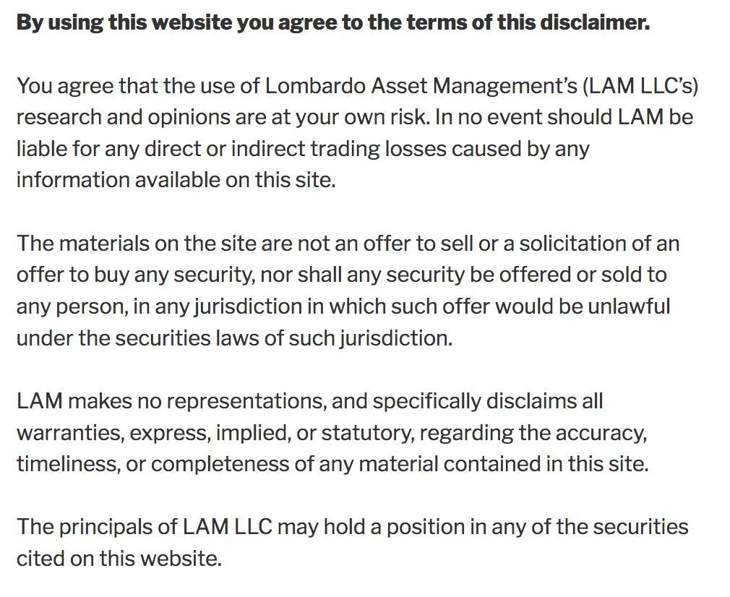
 |  |  |  |  | Initial Public Offering Heat Map (10 Best, 1 Worst)

 | Ticker | Elevator Pitch | Revenue Growth | Margin trends | Earnings | Cash Flow | Manage-ment | Gover-nance | Market Position | Hot Issue | Suitable Valuation | Weighted Rating | UnWeighted Rtg (1/10)
Snap | SNAP | 8 | 10 | 5 | 2 | 2 | 4 | 4 | 6 | 10 | 4 | 6.2 | 5.5
Lyft | LYFT | 6 | 8 | 7 | 3 | 4 | 9 | 4 | 8 | 6 | 7 | 6.9 | 6.2
Uber | UBER | 7 | 4 | 6 | 2 | 3 | 8 | 4 | 9 | 6 | 7 | 6.1 | 5.6
Pinterest | PINS | 8 | 7 | 6 | 4 | 4 | 8 | 5 | 6 | 9 | 8 | 7.1 | 6.5
Zoom Video | ZM | 9 | 9 | 8 | 8 | 8 | 9 | 5 | 8 | 8 | 6 | 8.6 | 7.8
Revolve Group | RVLV | 8 | 6 | 5 | 8 | 7 | 5 | 4 | 7 | 6 | 9 | 7.1 | 6.5
Crowdstrike | CRWD | 8 | 9 | 8 | 3 | 4 | 6 | 4 | 8 | 8 | 7 | 7.2 | 6.5
Slack | WORK | 9 | 7 | 7 | 3 | 4 | 9 | 5 | 8 | 9 | 7 | 7.4 | 6.8
The RealReal | REAL | 7 | 8 | 4 | 3 | 3 | 4 | 6 | 7 | 6 | 5 | 5.9 | 5.3
Medallia | MDLA | 7 | 6 | 5 | 4 | 5 | 6 | 5 | 7 | 6 | 8 | 6.5 | 5.9
Peloton | PTON | 9 | 8 | 5 | 4 | 5 | 7 | 5 | 8 | 7 | 8 | 7.3 | 6.6
The We Co. | WE | 6 | 8 | 5 | 3 | 3 | 1 | 1 | 7 | 6 | 4 | 5.0 | 4.4
Ping Identity | PING | 7 | 5 | 5 | 6 | 6 | 6 | 3 | 7 | 5 | 7 | 6.3 | 5.7
DataDog | DDOG | 9 | 8 | 6 | 6 | 7 | 7 | 6 | 8 | 8 | 5 | 7.7 | 7.0
Casper Sleep | CSPR | 7 | 4 | 5 | 5 | 5 | 4 | 6 | 5 | 4 | 8 | 5.8 | 5.3
Zoominfo | ZI | 6 | 6 | 6 | 4 | 7 | 8 | 4 | 6 | 5 | 6 | 6.4 | 5.8
Snowflake | SNOW | 9 | 9 | 7 | 4 | 5 | 8 | 5 | 9 | 10 | 6 | 8.0 | 7.2

