IPO
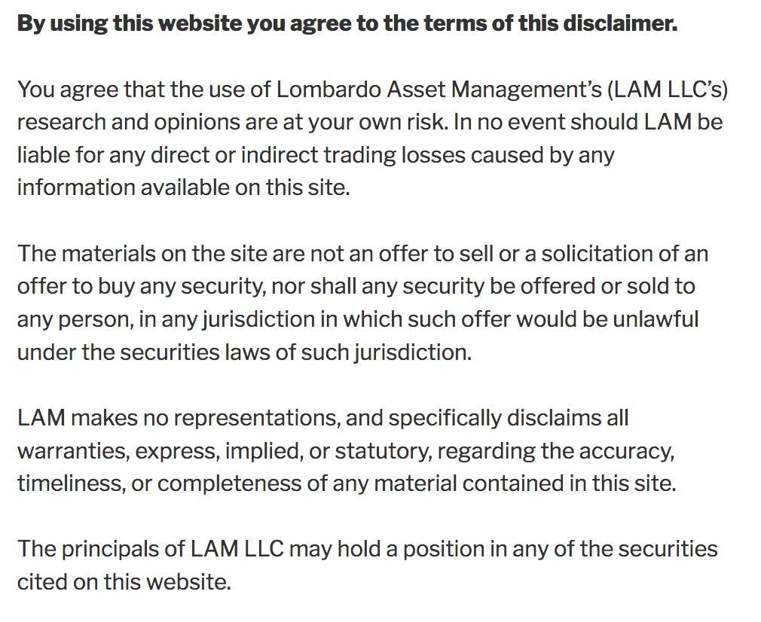
 |  |  |  | Initial Public Offering Heat Map (10 Best, 1 Worst)

 | Elevator Pitch | Revenue Growth | Margin trends | Earnings | Cash Flow | Management | Governance | Market Position | Hot Issue | Suitable Valuation | Weighted Rating | UnWeighted Rtg (1/10)
Snap | 8 | 10 | 5 | 2 | 2 | 4 | 4 | 6 | 10 | 4 | 6.2 | 5.5
Lyft | 6 | 8 | 7 | 3 | 4 | 9 | 4 | 8 | 6 | 7 | 6.9 | 6.2
Uber | 7 | 4 | 6 | 2 | 3 | 8 | 4 | 9 | 6 | 7 | 6.1 | 5.6
Pinterest | 8 | 7 | 6 | 4 | 4 | 8 | 5 | 6 | 9 | 8 | 7.1 | 6.5
Zoom | 9 | 9 | 8 | 8 | 8 | 9 | 5 | 8 | 8 | 6 | 8.6 | 7.8
Revolve Group | 8 | 6 | 5 | 8 | 7 | 5 | 4 | 7 | 6 | 9 | 7.1 | 6.5
Crowdstrike | 8 | 9 | 8 | 3 | 4 | 6 | 4 | 8 | 8 | 7 | 7.2 | 6.5
Slack | 9 | 7 | 7 | 3 | 4 | 9 | 5 | 8 | 9 | 7 | 7.4 | 6.8
The RealReal | 7 | 8 | 4 | 3 | 3 | 4 | 6 | 7 | 6 | 5 | 5.9 | 5.3

